1. Title Page
Project Name: Instacart Grocery Basket Analysis
Date: 02/28/2024
Analyst Name: Evan McNiff

Contents:
2. Population Flow
3. Consistency checks
4. Wrangling steps
5. Column derivations
6. Visualizations
7. Recommendations

 | Data | Link | Date
 | “The Instacart Online Grocery Shopping Dataset 2017”, Accessed from www.instacart.com/datasets/grocery-shopping-2017 via Kaggle | www.instacart.com/datasets/grocery-shopping-2017 | 2024-02-29
 | CareerFoundry Data Set, Accessed from https://s3.amazonaws.com/coach-courses-us/public/courses/data-immersion/A4/A4_Data_Assets/customers.zip | https://s3.amazonaws.com/coach-courses-us/public/courses/data-immersion/A4/A4_Data_Assets/customers.zip | 2024-02-29
 | List of Regions of the United States via Wikipedia | https://simple.wikipedia.org/wiki/List_of_regions_of_the_United_States | 2024-02-29

2. Population Flow
Population flow

Exclusion flag
Condition: max_order < 5
Obervations to be removed: 1,445,172
Final total count of order_products_all:
30,959,687
34

Orders_products_combined
Orders_products_merged
Orders_products_all

3,243,449
13
32,404,859
17
30,959,687
34

1.) The grey boxes in the first row of the population flow represent the original data sets as they were when you downloaded them. In the Total fields you need to add the count of the rows when you imported the data set into Jupyter.
2.) The second row of boxes (coloured) represents the data sets after you manipulated them, e.g., removed missing values and duplicates. In the Total fields you need to add the count of the rows after conducting these operations. This offers a visual oveview of how the data flows throughout the data consistency checks.
3.) The third row, where also the arrows are coloured, represents the merges you performed between the datasets. In the Total fields you need to add the count of the rows in the merged datasets, so that you end up with the final dataset (in the red box). Keep in mind the final dataset should be without exclusions (based on the exclusion flag).

3. Consistency checks
 |  |  |  | Title page
Consistency checks

Dataset | Missing values | Missing values treatment | Duplicates
orders | 206,209 missing days since prior order | left values as they represent initial customer order | none
products | 16 missing product name | removed missing product rows | 5 duplicate rows, deleted dups
orders_products_prior | N/A | N/A | none
customers | 11,259 missing First Name | Removed entire column for PII | None

4. Wrangling steps
 |  |  |  | Title page
Wrangling steps

Columns dropped | Columns renamed | Columns' type changed | Comment/Reason
 | Order DOW to Order_day_of_Week |  | More intuitive name
Eval_set |  |  | Unneccesary column
_merge |  |  | Unneccesary column
 |  | order_id | Align with merged set
First Name |  |  | Irrelevant and PII
Surnam |  |  | Irrelevant and PII
 | n_dependants to dependnats |  | More intuitive name

5. Column derivations
 |  |  |  |  | Title page

Column derivations and aggregations

Dataset | New column | Column/s it was derived from | Conditions | Frequencies
orders_products_merged | Price_Range | Prices | High-range product: prices > 15 Mid-range product: prices > 5 & prices <=15 Low-range product: prices <=5 | Mid-range product: 21860860 Low-range product : 10126321 High-range product: 417678
orders_products_merged | Busiest_Day | Order_day_of_week | Busiest day: orders_day_of_week = 0 Least busy: orders_day_of_week = 4 Regularly busy: orders_day_of_week = all other values | Regularly busy: 22416875 Busiest day: 6204182 Least busy: 3783802
orders_products_merged | Busiest_Days | Order_day_of_week | Busiest days: orders_day_of_week = 0 or 1 Least busy days: orders_day_of_week = 4 or 3 Regularly busy: orders_day_of_week = all other values | Regularly busy: 21879984 Busiest days: 5410804 Least busy days: 3688899
orders_products_merged | Busiest_Period_of_Day | Order_hour_of_day | Most Orders: 10 , 11 , 14, 15 ,13 ,12, 16, 9 Least Orders: 3, 4, 2, 5, 1, 0, 6, 23 Average Orders: all other values | Average Orders: 29591818 Most Orders: 2761760 Least Orders: 51281
orders_products_merged | Max_Order | User_ID, Order_Number | Maximum number of order for each user | Maximum number of order for each user
orders_products_merged | Freq_Flag | med_days_since_prior_order | Non-frequent customer: customer_frequency > 20 Regular customer: customer_frequency <= 20 & customer_frequency >10 Frequent customer: customer_frequency <= 10 | frequent customer: 21204476 regular customer : 6865113 non frequent customer: 2894975
orders_products_merged | Loyalty_Flag | Max_Order | Loyal customer: max_order > 40 Regular customer: max_order <= 40 & max_order >10 New customer: max_order <=10 | Regular customer 15876776 Loyal customer 10284093 New customer 6243990
orders_products_merged | Avg_Item_Spend | user_id, Prices | Average item cost per user | Average Item cost per user
orders_products_merged | Spend_Flag | Avg_item_spend | High spender: average_spend >= 10 Low spender: average_spend < 10 | low_spender 31770614 high_spender 634245
orders_products_merged | med_days_since_prior_order | user_id days_since_prior_order | Median days between orders | Median days between orders
Orders_Products_All | Region | State | Northeast = if state is from list of states 'Northeast' Midwest = if state is from list of states 'Midwest' South = if state is from list of states 'South' West = if state is from list of states 'West' | Northeast = if state is from list of states 'Northeast' Midwest = if state is from list of states 'Midwest' South = if state is from list of states 'South' West = if state is from list of states 'West'
Orders_Products_All | Low_Activity | Max_Order | normal_activity: max_order <= 5 low_activity: max_order >= 5 | normal activity: 30964564 low activity: 1440295
IC_no_la | Age_group | Age | 18-29 years old: >= 18 & <= 29 30-44 years old: >= 30 & <= 44 45-59 years old: >= 45 & <= 59 60-81 years old: >= 60& <= 81 | 60-81 years old 10574504 45-59 years old 7311091 30-44 years old 7261366 18-29 years old 5817603
IC_no_la | Income_group | Income | low income: < 75,000 middle income >= 75,000 & < 125,000 high income >= 125,000 | high income: 8273860 middle income: 12779153 lower income : 9906674
IC_no_la | Dependants_group | Dependants | no dependants <= 0 has dependants > 0 | has dependants: 23224883 no dependants : 7739681
IC_no_la | Profile_1 | Age, Marital Status, Dependants | single young adult no dependants: 18-29 years old, single, divorced/widowed, no dependants single adult no dependants: 30-44 years old, 45-59 years old, single, divorced/widowed, no dependants, single adult no dependants single older adult no dependants: 60-81 years old, single, divorced/widowed, no dependants single young adult with dependants: 18-29 years old, living with parents and siblings, has dependants single adult with dependants: 30-44 years old, 45-59 years old, living with parents and siblings, has dependants single older adult with dependants: 60-81 years old, living with parents and siblings, has dependants married young adult with dependants: 18-29 years old, married, has dependants married adult with dependants: 30-44 years old, 45-59 years old, married, has dependants married older adult with dependants: 60-81 years old, married, has dependants | married adult with dependants 10925665 married older adult with dependants 7929233 single adult no dependants 3646792 married young adult with dependants 2888813 single older adult no dependants 2645271 single young adult with dependants 1481172 single young adult no dependants 1447618
IC_no_la | Profile_2 | Age, Marital Status, Dependants, and Income | low income single young adult w/o dependants: 18-29 years old, single, divorced/widowed, lower income, no dependants low income single adult w/o dependants: 30-44 years old, 45-59 years old, single, divorced/widowed, lower income, no dependants low income single older adult w/o dependants: 60-81 years old, single, divorced/widowed, lower income, no dependants low income single young adult with dependants: 18-29 years old, living with parents and siblings, lower income, has dependants low income single adult with dependants: 30-44 years old, 45-59 years old, living with parents and siblings, lower income, has dependants low income single older adult with dependants: 60-81 years old, living with parents and siblings, lower income, has dependants low income married young adult with dependants: 18-29 years old, married, lower income, has dependants low income married adult with dependants: 30-44 years old, 45-59 years old, married, lower income, has dependants low income married older adult with dependants: 60-81 years old, married, lower income, has dependants mid income single young adult w/o dependants: 18-29 years old single, divorced/widowed, middle income, no dependants mid income single adult w/o dependants: 30-44 years old, 45-59 years old, single, divorced/widowed, middle income, no dependants mid income single older adult w/o dependants: 60-81 years old, single, divorced/widowed, ‘middle income, no dependants mid income single young adult with dependants: 18-29 years old, living with parents and siblings, middle income, has dependants mid income single adult with dependants: 30-44 years old, 45-59 years old, living with parents and siblings, middle income, has dependants mid income single older adult with dependants: 60-81 years old, living with parents and siblings, middle income, has dependants mid income married young adult with dependants: 18-29 years old, married, middle income, has dependants mid income married adult with dependants: 30-4 | mid income married adult with dependants 4517706 low income married adult with dependants 3533985 mid income married older adult with dependants 3454079 high income married older adult with dependants 3251741 high income married adult with dependants 2872232 low income married young adult with dependants 1780789 mid income single adult no dependants 1469146 low income married older adult with dependants 1222206 low income single adult no dependants 1192589 mid income single older adult no dependants 1152889 high income single older adult no dependants 1097117 mid income married young adult with dependants 1071546 high income single adult no dependants 984540 low income single young adult with dependants 895087 low income single young adult no dependants 887193 mid income single young adult with dependants 567839 mid income single young adult no dependants 545948 low income single older adult no dependants 394825 high income married young adult with dependants 35916 high income single young adult with dependants 18053 high income single young adult no dependants 14261

6. Visualizations

 |  | Title page

Visualisations

In this tab you should include all the visualtions from Exercises 4.9 and 4.10, alongside the questions from the project brief that they answer. Include any commentary on the relationship between different variables.

Comment | Key Question 1 Visuals
Order Placement During the Week Weekends make up the busiest days of the week with Saturday leading the way followed by Sunday. Orders begin to decline as the week progresses and orders bottom out on Tuesday and Wednesday before regaining volume and building back up toward the weekend volume. Order Placement during the Day Most orders are palced between the hours of 10am and 4pm. After 4pm orders begin to decline as they bottom out between midnight and 5am before beggining to rise back up to peak volumes the following day. |   0 -Saturday 1-Sunday 2-Monday 3- Tuesday 4- Wednesday 5- Thursday 6- Friday
Comment | Key Question 2 Visuals
Weekly Spending Averages Spending peaks on Fridays and Saturdays with a noticable downturn from Sunday-Thursday. A mid-week boost gives Tuesday a slightly higher average spend than it's weekday counterparts, but overall Friday and Saturday spending averages domiante. Daily Spending Averages Spending seems to spike during the overnight hours as a peak is reached between 2am and 4am. Spending then bottoms out at 10am which is the busiest overall hour of the day. As the day progresses, spending increases and begins to reach a secondary peak around 10pm. Average spending seems to follow a trend indicating that as total orders increase, average spending per item decreases. | 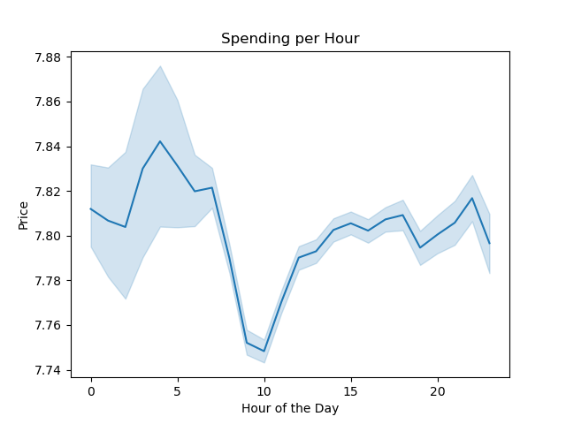 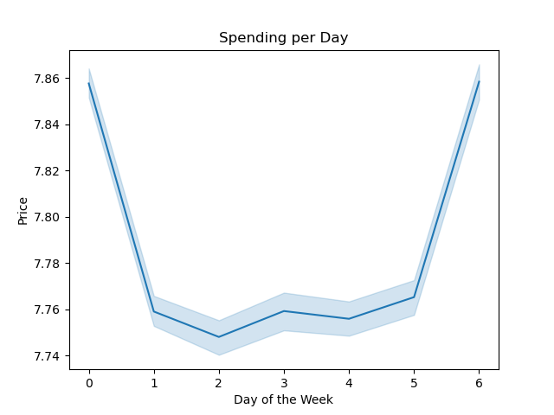 0 -Saturday 1-Sunday 2-Monday 3- Tuesday 4- Wednesday 5- Thursday 6- Friday
Comment | Key Question 3 Visuals
Price Distribution Nearly all items fall below the $15 threshold with some higher priced items expanding that range up to $25. Majority of items cost between $7 and $8. | 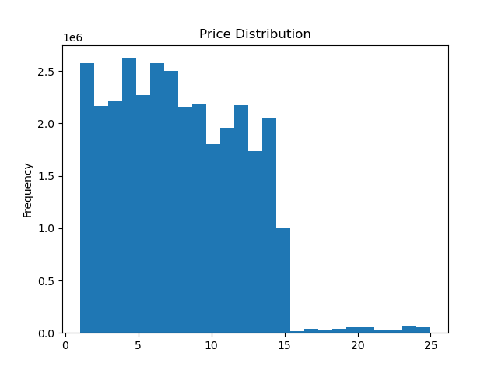
Comment | Key Question 4 Visuals
Number of Dependants by Age
Orders by Department Tracks the frequency of orders for each department. Department by Age Group Tracks the frequency by which each age group orders from each department. Produce dominates among departments and of those produce pruchases the alrgest portion are made by individuals ages 60-81. Number of Dependants by Age Represents the number of dependants by age. | 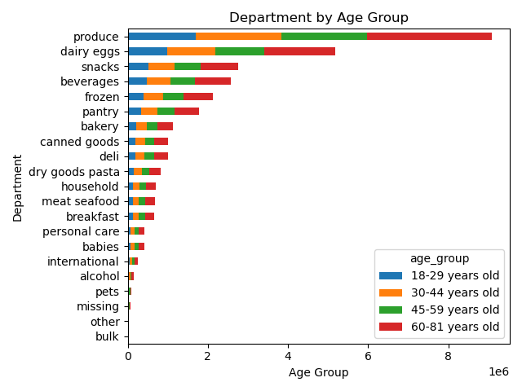 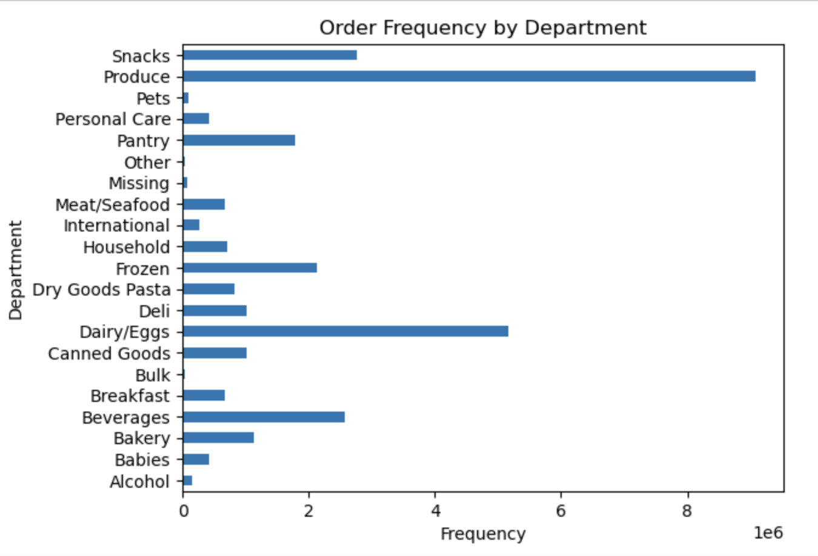 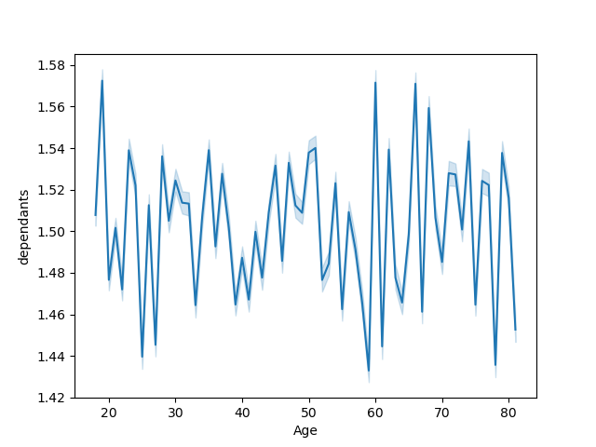
Comment | Key Question 5 Visuals
Loyalty Distribution Represents the distribution of customer loyalty with the bulk of Intacart customers falling within the Regular and Loyal cusotmer ranges. Loyalty by Price Range Represents the frequency at which each loyalty group purhcases items from each price range. | 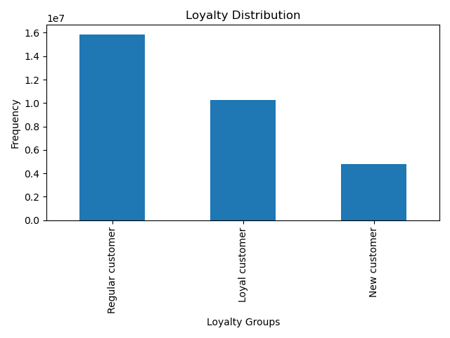 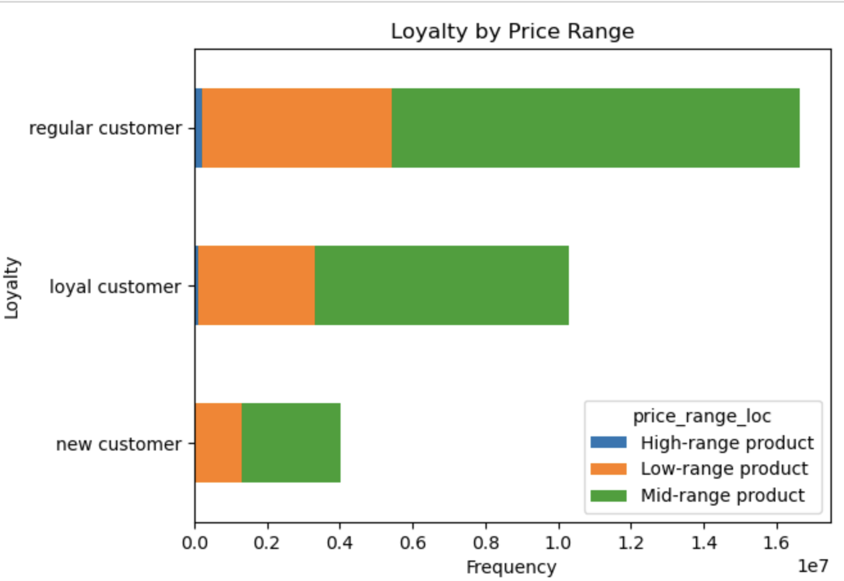
Loyalty by Region Represents customer loyalt status by region. The south is the largest overall region and has the highest number of all loyalty statuses. The west is second in all 3 status categories indicating that these two regions occupy a large portion of the Instacart customer base. Distribution of Price Ranges Represents the price range that items fall within. Mid-Range products are the most common as most items are priced between $5 and $10. | 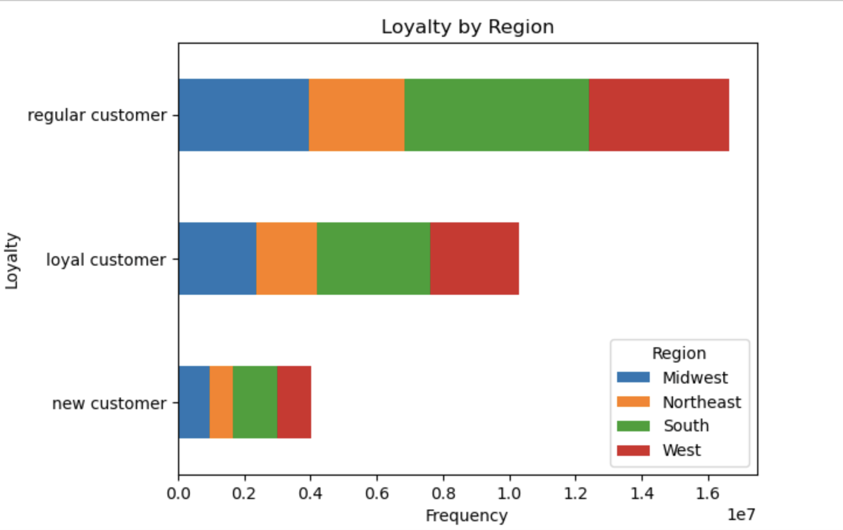 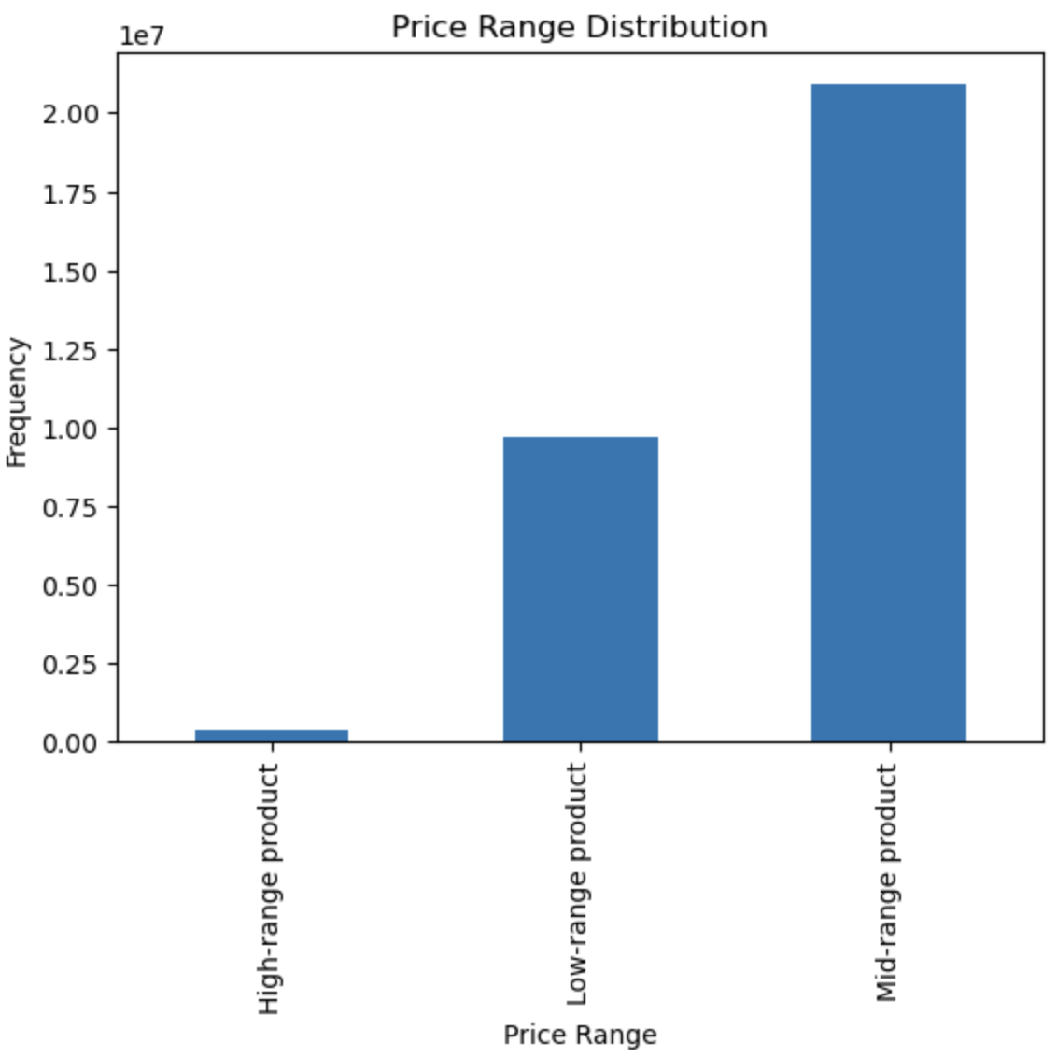
Department by Loyalty Represents the departments purhcased by each loyalty group. Produce continues to dominate and will be a focus along with dairy/eggs in marketing to Regular and Loyal customers. | 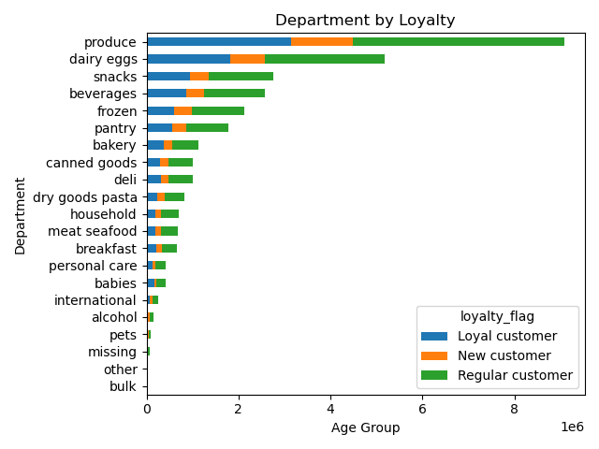

Departments by Income Group We continue to see Produce and Dairy/Eggs dominate the departments. We see that nearly all customers fall within the high and middle income groups and these income groups purchase a significant amount of Produce and Dairy/Eggs. Customer Profile by Department Produce dominates the departments as always and we can see that our top two demographics in terms of volume remain as the Married adults with dependants and the Married older adult with dependants. | 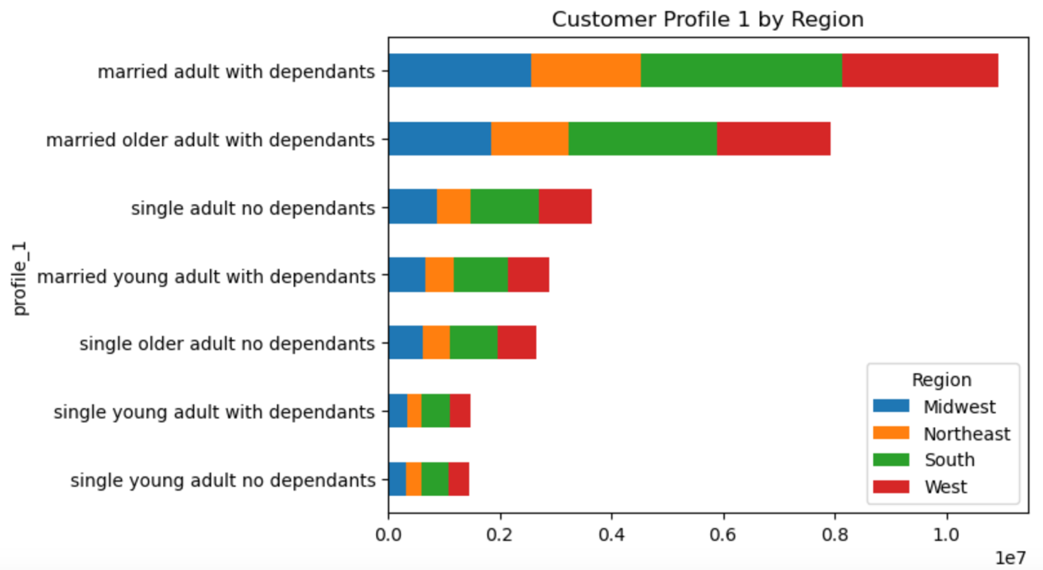 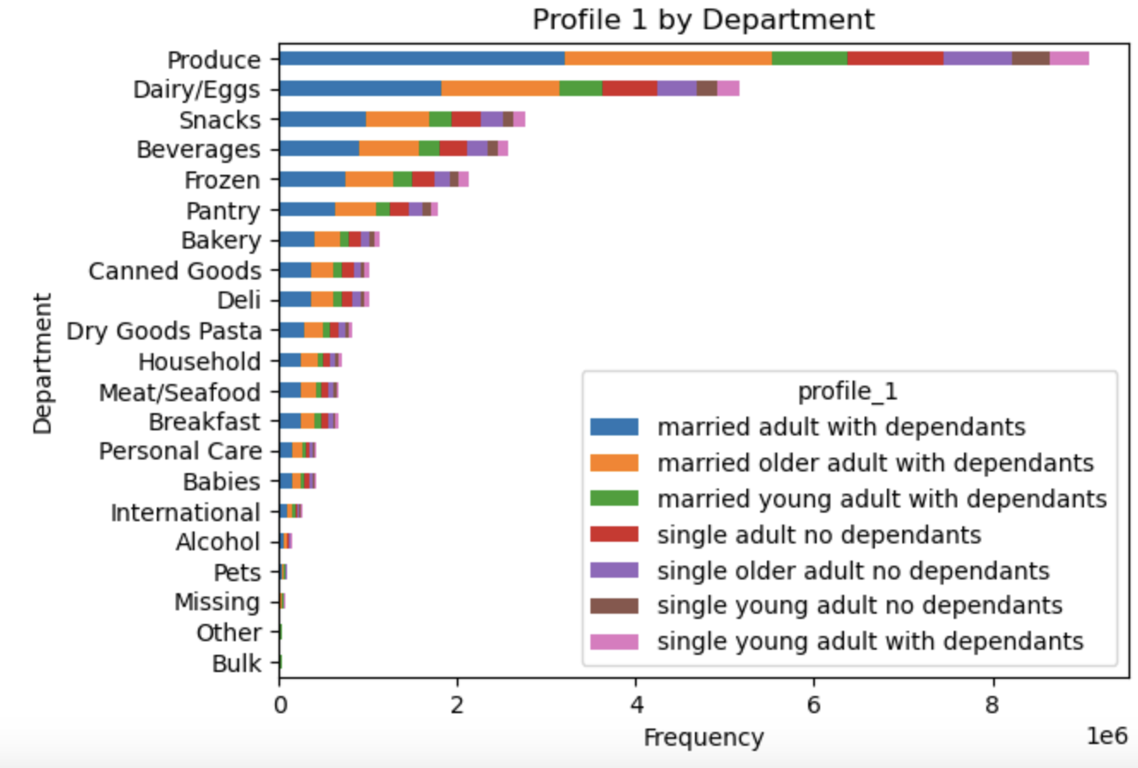

Age vs. Income
Age vs. Income There are customers of all income groups at all ages, however customers age 40 and older occupy a must larger percentage of customer earnings with the highest earners existing within this subgroup. Department By Income Produce dominates as always, but we see a trend form with the low income group that could offer insight. Low income group customers purchase Snacks and Beverages at a higher rate thatn the High and Middle income groups. |  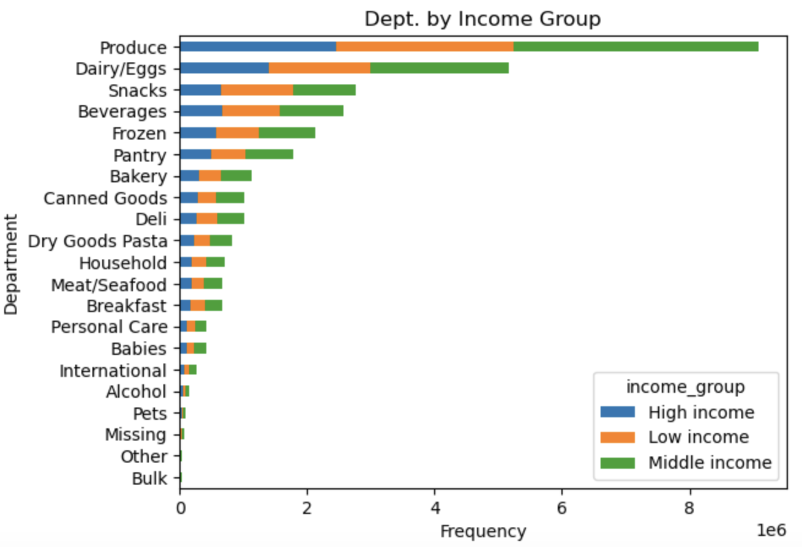

7. Recommendations
 |  | Title page

Recommendations

In this tab you should include any recommendations you would made to Instcart in terms of their marketing strategy based on the questions posed in the brief. Every key question has been covered in the Tasks of the Exercises - here you need to add an item - a visualisation or table/crosstable that is showing the answer in the data, acompanied by a comment from you. Please, list the questions below and add the answer underneath.

Key Questions | Reccommendations
The sales team needs to know what the busiest days of the week and hours of the day are (i.e., the days and times with the most orders) in order to schedule ads at times when there are fewer orders. | The highest frequency of orders occur on Saturday and Sunday. As the weekdays come, order frequency drops and bottoms out on Wednesday before volumes begin to increase and reach back up towards the weekend peak. Orders are most frequently placed between the hours of 10am and 4pm and are least commonly placed between the hours of 12am and 4am. Marketing efforts should be focused on weekdays, specifically Monday-Wednesday to increase order freqeuncy during the slowest period of the week. Additionally, efforts should also be targeted to the less common hours of the day on all days. While the least common hours of the day are 12am through 4am, this time period does not offer a high growth potential as these hours occur while most Americans are sleeping. Ads should be distributed prior to this down period to entice business leading into this time period such as the 9pm-11pm range.
They also want to know whether there are particular times of the day when people spend the most money, as this might inform the type of products they advertise at these times. | Customers spend the most money on the weekends as is expected based on the overall order frequency. Spending takes a small jump on Wednesday as customers may have run out of groceries or are ordering products they may have forgotten to buy/order earlier in the week. From an hourly perpective, the highest average spending occurs amidst the least frequent ordering times with 4am and 5am representing the highest hourly spend. An inverse relationship has formed between average spending and order frequency. Marketing efforts should be targeted at the mid week period as this is when customers may be in need of a restock or to grab that missing item. Additonally, these efforts can be focused during the more busy times of the day to gain the attention of the highest number of customers and in turn increase average spending during these peak hours.
Instacart has a lot of products with different price tags. Marketing and sales want to use simpler price range groupings to help direct their efforts. | Nearly all products fall within a range of $1 to $15 with some products exceeding this limit up to $25. To increase price range clarity while maintaining user understanding, price ranges can be broken down into discreet $5 categories, $1-$5 being low priced items, $6-$10 being mid-priced items, $11-$15 being high priced items, and everything above $15 being classified separately as they are far less frequent and can be considered specialty items in many cases. This pricing breakdown will offer a clearer picture of both individual and profiled customer spending moving forward.
Are there certain types of products that are more popular than others? The marketing and sales teams want to know which departments have the highest frequency of product orders. | Produce is the dominant product department. Produce occupies the top spot in total sales and within each discrete customer profile as well as each regional, age ,and income group. Following behing Produce are Dairy/Eggs, Snacks, and Beverages. These deparments make up a large portion of general grocery needs and are very commonly ordered via Instacart due to their versatile uses in everyday diets. Focusing marketing efforts on these departments can offer increased growth as customers from all demographics are intersted in purchaisng products from these departments.
The marketing and sales teams are particularly interested in the different types of customers in their system and how their ordering behaviors differ. What’s the distribution among users in regards to their brand loyalty? Are there differences in ordering habits based on a customer’s loyalty status? Are there differences in ordering habits based on a customer’s region? Is there a connection between age and family status in terms of ordering habits? What different classifications does the demographic information suggest? Age? Income? Certain types of goods? Family status? - What differences can you find in ordering habits of different customer profiles? Consider the price of orders, the frequency of orders, the products customers are ordering, and anything else you can think of. | Customers are mostly clasified as "loyal" or "regular" customers. This indicates that the majority of Insatcart customers are repeat customers who may develop trackable and or consistent ordering habits. Similar to the results of the entire customer database, loyal and regular customers tend to order products that fall within the middle to low price range. Regular customers occupy the largest portion of the customer base and they purchase mid-range products at a high rate. The South and West regions make up the largest overall regions in terms of volume and clients tend to order following the same trends regardless of region. Produce and Dairy/Eggs remain on top in all corners of the country. The midwest deserves additional attention here as we can see that this region is rich with the top two demographics in terms of overall volume. Those top demographics are Married adults with dependants and Married older adults with dependants. These customer profile groups represent the highest overall volume and dominate spending in nearly all departments. Single adults with no dependants order products from all deparments at the second and third highest rate. Marketing efforts should be focused on the top 3 groups as these customers are simply the most likely to order. Perhaps an additonal appeal to the Married young adults with dependants can be made as well as they rank 4th overall. This group has a lower potential for high income and as we will address, does not order nearly as much as their older counterparts. Customers over the age of 40 are far more likely to have a "High" income. While there are customers who fit the description under the age of 40, the likelihood of a customer having a high income is far greater after age 40. Majortiy of Instacart customers age 40 and older fall within the aforementioned Married adults with dependants category. This group dominates overall volumes in all regions and deparments. Efforts should be targeted at this

